Necessary Tools
 | TOOLS
Item | Description | Scale | Units | Comments
1 | Torque wrench | 6 - 135 | Nm | A good option could be : http://uk.rs-online.com/web/p/torque-wrenches/7227151/ ------------------however, Gedore is also a very good brand: http://www.gedore-torque.com/torque-wrenches/adjustable/torque-wrenches-atb-adjustable-breaking-ranges-covered-5-100-nm/ ----------------------On the other hand, here I found a thread torque reference chart: http://www.checkfluid.com/pages.php?pID=60
2 | Adjustable torque wrench adapter |  |  | If the torque wrench that you will buy doesn't come with the necessary accesories, another interesting solution is using this adapter: https://9007c0109a70412e8f84-17cbb53619a640a777e85fbe5231c890.ssl.cf1.rackcdn.com/articles/2794_I08-0380.pdf
3 | Adjustable torque driver | (0,3 - 1,2) & (1,2 - 3) | Nm | Reference: http://uk.rs-online.com/web/p/torque-drivers/5416208/ | To control the torque when you are adjusting some delicate pieces like servovalves, sensors or electronic devices.
4 | Kit of wrench imperial | 1/4; 5/16; 3/8; 7/16; 1/2; 9/16; 5/8; 11/16; 3/4; 13/16; 7/8 | in | Some reference: http://uk.rs-online.com/web/p/spanner-sets/0487072/ | It's necessary for all of the JIC connectors… Please, buy it.
5 | Hours run meter |  | h | Reference: http://uk.rs-online.com/web/p/hour-meters/2971178/ | To implement in the Electrical Panel of the Hydraulic Power Unit. In case of more technological solution, maybe an integrated HMI/PLC should be good to replace the actual front panel with a touchscreen. Using this second option, other measures like temperature, and pressure of the oil could be viewed. After having this hour meter, try to implent a maintainance schedule of the oil, based on the service hours.
6 | Lint-free towels |  |  | Reference: https://caterpillar.scene7.com/is/content/Caterpillar/C10508662
7 | Portable Flush & Filter equipment |  |  | Reference: http://www.sthyd.com/FlushTestInstrumentation.html ------------------------- http://www.belmont4edm.com/osc/como-portable-flush-filter-c-21_32_59.html ----------------------------
8 | Breathable cap for the oil reservoir |  |  |  | The main objective is try to reduce the water contamination of the oil. Bilal is also looking for this component.

 | IDEAS
1 | Auto-cleaning device for the treadmill |  | Design a mechanical device to clean the treadmill when it's working. Victor knows about this idea, I think that should be useful. Basically, it's a mechanical device in contact with the treadmill using frictional wheels and with circular brushes mounted on an axle. |  |  | 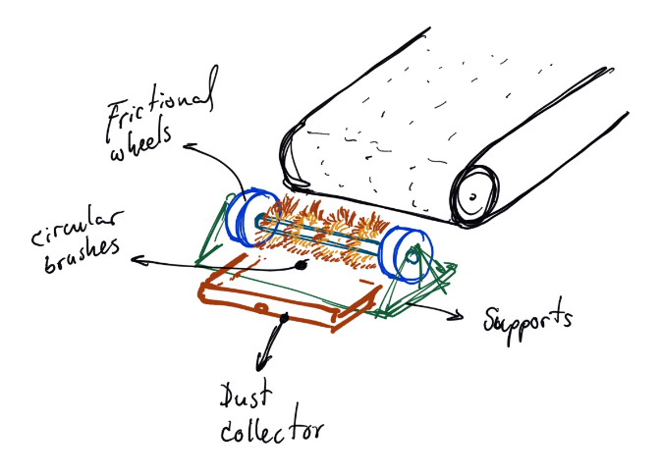
2 | Manifold with manual valves |  | To distribute the oil to the test benchs and the robot. Right now exists a lot of connectors, adapters and ball valves that could be substituted by something like this: http://www.hongdi.com.tw/upload_files/hydraulic-valve/directional-control-valve/monoblock-VCD20-3-b.jpg ------------This will reduce the pressure drop and organize a little bit the actual system. The manifold can also include the recirculation valve that is independent.
3 | Include an arm with stabilizer for the videocamera |  | Could be useful when are you making the experiments outside (-1 Floor). You can fix a mechanical arm on the robot lifter and attach the camera with this stabilizer to have videos at the same time that the robot is walking or running. A graphical reference: http://g02.a.alicdn.com/kf/HTB1w6oTIpXXXXaQXFXXq6xXFXXXX/GH4-A7S-SUMMER-DYS-3-axis-3-Axis-Gimbal-dslr-camera-Stabilizer-gyro-brushless-gimbal-steadicam.jpg
4 | Design a new high pressure pump based on the diesel high pressure pump (Common Rail Injection system) |  | The fuel injection system of diesel engines works with a very very high pressure (around 1000 bar) and low flow rate, so, in case you need some system like this, should be good to analize this principle an adapt it for the robot case (mainly if one of your objectives is to make an autonomus mobile robot with an engine motor). I know that you already make a study about efficience using high pressure systems so, think about it.
5 | Protective panels for the FC1D and the HY2MAx leg |  | This protective panels can be mobile using a rail on the floor (like the japanese door), and when need it you can pull or push it from one side to another (or extracted also). Right now these panels need to be transported.
6 | Anti-dust cover for the actuator's rods in the HyQ green |  | Graphical reference: http://disa-moped-store.de/eingabe/bilder/2014-10/middle/_119_DSC07706.JPG
7 | Make a hole (consider a tap to block it when not used) to drain the oil accumulated underneath the FC1D table. |  | I didn't find anything similar to drain the oil, actually you don't have any problem with this but in a long term you will have it because the oil is accumulating. Therefore, should be convenient to make this drainage hole.
8 | Install temperature sensors in the FC1D test bench and in HyL |  | Is very convenient to know the temperature of the oil during the tests because different parameters of the hydraulic system (viscosity, bulk modulus, density, ) are also dependant of this parameter. The variation of the bulk modulus value is low, but is a good practice to know the temperature of the oil used during the experimental tests.
9 | Flexible cameras for inspection |  | Graphical reference: http://www.homedepot.com/p/DEWALT-12-Volt-MAX-Lithium-Ion-Cordless-Inspection-Camera-Kit-DCT410S1/202545338 ------------------------------ Maybe could be useful to see possible leakage or other mechanical problems inside the HyQ2Max's leg without disassembling it.

